EA 24_54
 | 24 | 54 |  | 24 | 54 |  | 24 | 54
01-Oct-2022 | 1,484 | 708.6 | 01-Nov-2022 | 1,484 | 708.6 | 01-Dec-2022 | 1,484 | 708.6
02-Oct-2022 | 1,484 | 708.6 | 02-Nov-2022 | 1,484 | 708.6 | 02-Dec-2022 | 1,484 | 708.6
03-Oct-2022 | 1,484 | 708.6 | 03-Nov-2022 | 1,484 | 708.6 | 03-Dec-2022 | 1,484 | 708.6
04-Oct-2022 | 1,484 | 708.6 | 04-Nov-2022 | 1,484 | 708.6 | 04-Dec-2022 | 1,484 | 708.6
05-Oct-2022 | 1,484 | 708.6 | 05-Nov-2022 | 1,484 | 708.6 | 05-Dec-2022 | 1,484 | 708.6
06-Oct-2022 | 1,484 | 708.6 | 06-Nov-2022 | 1,484 | 708.6 | 06-Dec-2022 | 1,484 | 708.6
07-Oct-2022 | 1,484 | 708.6 | 07-Nov-2022 | 1,484 | 708.6 | 07-Dec-2022 | 1,484 | 708.6
08-Oct-2022 | 1,484 | 708.6 | 08-Nov-2022 | 1,484 | 708.6 | 08-Dec-2022 | 1,484 | 708.6
09-Oct-2022 | 1,484 | 708.6 | 09-Nov-2022 | 1,484 | 708.6 | 09-Dec-2022 | 1,484 | 708.6
10-Oct-2022 | 1,484 | 708.6 | 10-Nov-2022 | 1,484 | 708.6 | 10-Dec-2022 | 1,484 | 708.6
11-Oct-2022 | 1,484 | 708.6 | 11-Nov-2022 | 1,484 | 708.6 | 11-Dec-2022 | 1,484 | 708.6
12-Oct-2022 | 1,484 | 708.6 | 12-Nov-2022 | 1,484 | 708.6 | 12-Dec-2022 | 1,484 | 708.6
13-Oct-2022 | 1,484 | 708.6 | 13-Nov-2022 | 1,484 | 708.6 | 13-Dec-2022 | 1,484 | 708.6
14-Oct-2022 | 1,484 | 708.6 | 14-Nov-2022 | 1,484 | 708.6 | 14-Dec-2022 | 1,484 | 708.6
15-Oct-2022 | 1,484 | 708.6 | 15-Nov-2022 | 1,484 | 708.6 | 15-Dec-2022 | 1,484 | 708.6
16-Oct-2022 | 1,484 | 708.6 | 16-Nov-2022 | 1,484 | 708.6 | 16-Dec-2022 | 1,484 | 708.6
17-Oct-2022 | 1,484 | 708.6 | 17-Nov-2022 | 1,484 | 708.6 | 17-Dec-2022 | 1,484 | 708.6
18-Oct-2022 | 1,484 | 708.6 | 18-Nov-2022 | 1,484 | 708.6 | 18-Dec-2022 | 1,484 | 708.6
19-Oct-2022 | 1,484 | 708.6 | 19-Nov-2022 | 1,484 | 708.6 | 19-Dec-2022 | 1,484 | 708.6
20-Oct-2022 | 1,484 | 708.6 | 20-Nov-2022 | 1,484 | 708.6 | 20-Dec-2022 | 1,484 | 708.6
21-Oct-2022 | 1,484 | 708.6 | 21-Nov-2022 | 1,484 | 708.6 | 21-Dec-2022 | 1,484 | 708.6
22-Oct-2022 | 1,484 | 708.6 | 22-Nov-2022 | 1,484 | 708.6 | 22-Dec-2022 | 1,484 | 708.6
23-Oct-2022 | 1,484 | 708.6 | 23-Nov-2022 | 1,484 | 708.6 | 23-Dec-2022 | 1,484 | 708.6
24-Oct-2022 | 1,484 | 708.6 | 24-Nov-2022 | 1,484 | 708.6 | 24-Dec-2022 | 1,484 | 708.6
25-Oct-2022 | 1,484 | 708.6 | 25-Nov-2022 | 1,484 | 708.6 | 25-Dec-2022 | 1,484 | 708.6
26-Oct-2022 | 1,484 | 708.6 | 26-Nov-2022 | 1,484 | 708.6 | 26-Dec-2022 | 1,484 | 708.6
27-Oct-2022 | 1,484 | 708.6 | 27-Nov-2022 | 1,484 | 708.6 | 27-Dec-2022 | 1,484 | 708.6
28-Oct-2022 | 1,484 | 708.6 | 28-Nov-2022 | 1,484 | 708.6 | 28-Dec-2022 | 1,484 | 708.6
29-Oct-2022 | 1,484 | 708.6 | 29-Nov-2022 | 1,484 | 708.6 | 29-Dec-2022 | 1,484 | 708.6
30-Oct-2022 | 1,484 | 708.6 | 30-Nov-2022 | 1,484 | 708.6 | 30-Dec-2022 | 1,484 | 708.6
31-Oct-2022 | 1,484 | 708.6 |  |  |  | 31-Dec-2022 | 1,484 | 708.6
TOTAL | 46,013 | 21,967 | TOTAL | 44,529 | 21,258 | TOTAL | 46,013 | 21,967
Total Incremental production |  | 67,980 | Total Incremental production |  | 65,787 | Total Incremental production |  | 67,980
Average Daily Prod |  | 2,192.90 | Average Daily Prod |  | 2,122.16 | Average Daily Prod |  | 2,192.90

OCTOBER FCF
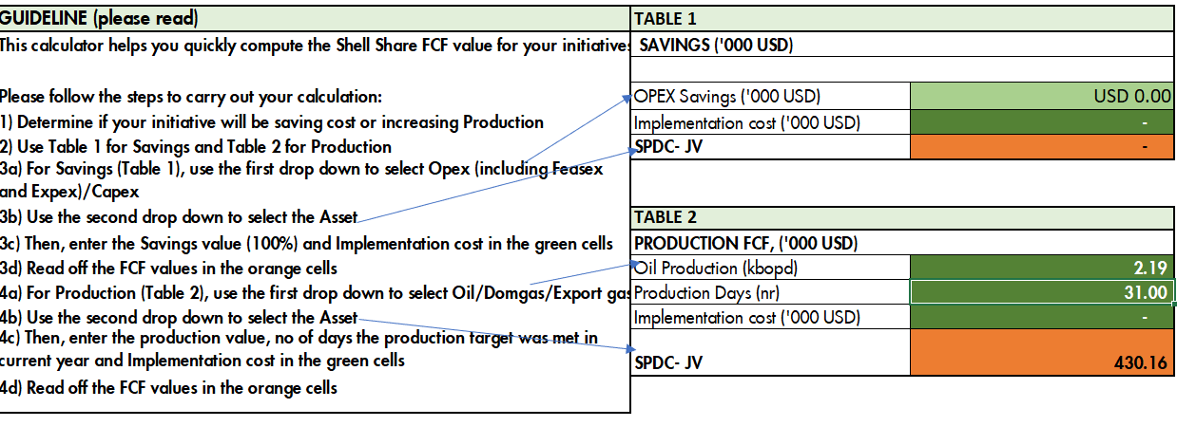

NOVEMBER FCF
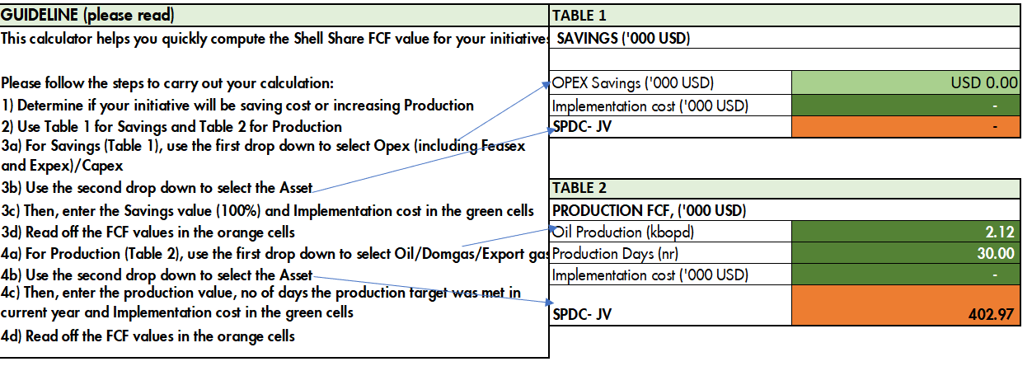

DECEMBER FCF

